Data
Expense Details for the month of June
Date | Category | Items | Expense (INR)
2021-06-02 | Grocery | Foodgrains and cereals | 1,050
2021-06-02 | Grocery | Oil and spices | 550
2021-06-02 | Entertainment | Movie | 250 | The group members need to create tables and charts, analyse data and find out: 1) The category with the highest expense amount 2) Total expense amount against entertainment and shopping 3)Number of times Nitin has ordered food online and the amount spent for it 4)Number of times Nitin has watched a movie 5)The less essential category that Nitin may remove to increase his savings
2021-06-03 | Food | Online Food Order | 150
2021-06-03 | Doctor and Medicine | Mother's Medicine | 450
2021-06-04 | Ticket and Bills | Railway monthly ticket | 350
2021-06-06 | Grocery | Vegetables | 450
2021-06-06 | Grocery | Fruit | 150
2021-06-08 | Food | Chips and Fries | 100
2021-06-09 | Grocery | Bread and bakery | 100
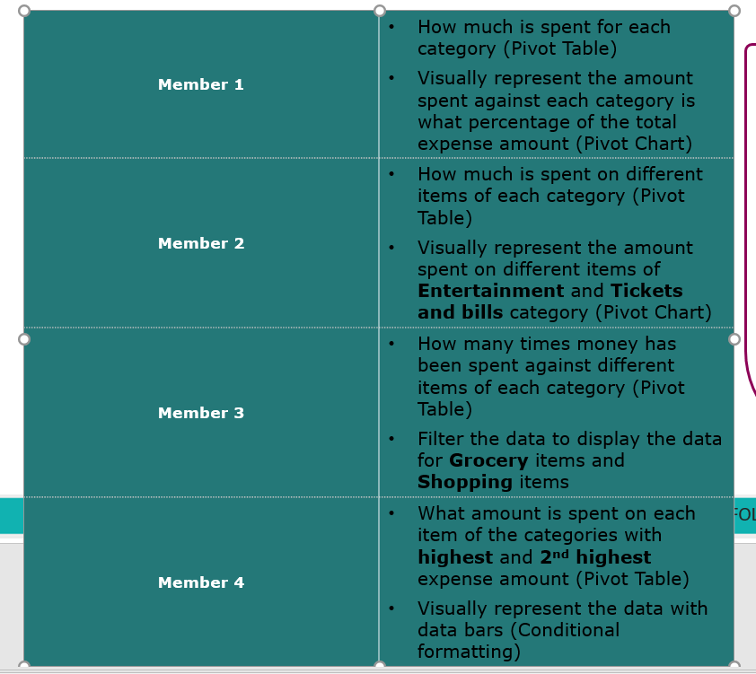
2021-06-10 | Shopping | Shoes | 1000
2021-06-11 | Grocery | Vegetables | 250
2021-06-12 | Food | Online Food Order | 100
2021-06-12 | Entertainment | Movie | 250
2021-06-13 | Grocery | Beverages | 250
2021-06-13 | Ticket and Bills | House help | 1000
2021-06-14 | Ticket and Bills | Electricity bill | 370
2021-06-15 | Ticket and Bills | Gas | 850
2021-06-15 | Grocery | Fruit | 200
2021-06-16 | Grocery | Vegetables | 470
2021-06-19 | Miscellaneous | Sister's birthday gift | 500
2021-06-19 | Grocery | Bread and bakery | 200
2021-06-20 | Food | Chips and Fries | 150
2021-06-22 | Food | Online Food Order | 150
2021-06-23 | Entertainment | Movie | 250
2021-06-24 | Grocery | Vegetables | 250
2021-06-25 | Shopping | Tshirt and Jeans | 2500
2021-06-26 | Grocery | Fruit | 200
2021-06-26 | Grocery | Bread and bakery | 200
2021-06-27 | Entertainment | Movie | 250
2021-06-28 | Food | Online Food Order | 200
2021-06-29 | Grocery | Fruit | 100
2021-06-29 | Grocery | Vegetables | 270

Task 1
1) The category with the highest expense amount

Row Labels | sum Expense (INR)
Doctor and Medicine | 450
Entertainment | 1000
Food | 850
Grocery | 4690
Miscellaneous | 500
Shopping | 3500
Ticket and Bills | 2570
Grand Total | 13560

Row Labels | Expense %
Doctor and Medicine | 3.32%
Entertainment | 7.37%
Food | 6.27%
Grocery | 34.59%
Miscellaneous | 3.69%
Shopping | 25.81%
Ticket and Bills | 18.95%
Grand Total | 100.00%

task 2
2) Total expense amount against entertainment and shopping
How much is spend on each catergory
Category | Sum of Expense (INR)
Doctor and Medicine | 450
Entertainment | 1000
Food | 850
Grocery | 4690
Miscellaneous | 500
Shopping | 3500
Ticket and Bills | 2570
Grand Total | 13560

Visually represent the amount spend on different items of entertainment and tickets and bills categoty

Row Labels | Sum of Expense (INR)
Entertainment | 1000
Ticket and Bills | 2570
Grand Total | 3570

task 3
How many times money has been spend against different items of each caterory

Row Labels | Count of Expense (INR)
Vegetables | 5
Tshirt and Jeans | 1
Sister's birthday gift | 1
Shoes | 1
Railway monthly ticket | 1
Online Food Order | 4
Oil and spices | 1
Movie | 4
Mother's Medicine | 1
House help | 1
Gas | 1
Fruit | 4
Foodgrains and cereals | 1
Electricity bill | 1
Chips and Fries | 2
Bread and bakery | 3
Beverages | 1
Grand Total | 33

Filter the data to display the data for Grocery items and shopping items

Row Labels | Count of Category
Grocery | 15
Shopping | 2
Grand Total | 17

